Indices

 | Iraq Stock Exchange
 | Bulletin No (96)
 | ISX Trading Indices of Wednesday 3/6/2026

 | Traded Volume and OTC |  | 1,320,040,042 |  | Traded Value and OTC |  | 1,040,762,880 |  | Traders | 1397

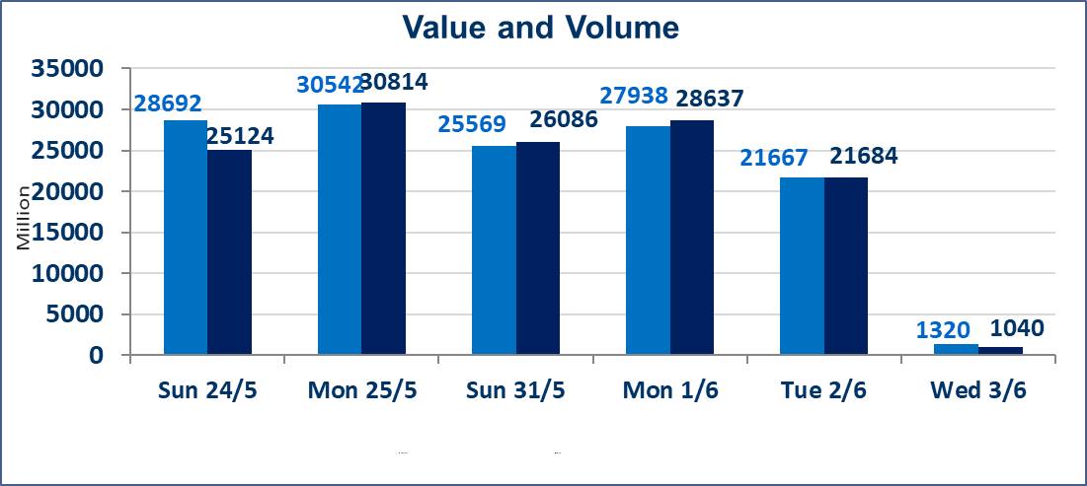
 | ISX Index 60 |  |  | 950.64 | ISX Index 15 |  |  | 1207.93
 | Previous ISX Index60 |  |  | 949.39 | Previous ISX Index15 |  |  | 1208.53
 | Change % |  |  | 0.13 | Change % |  |  | -0.05
 | Change |  |  | 1.25 | Change |  |  | -0.60

 | Listed Companies | 103 | OTC | 14 | Non Traded listed | 48 | OTC | 13
 | Traded Listed Companies | 41 | OTC | 1 | Higher Companies |  |  | 13
 | GAM Companies |  |  | 6 | Lower Companies |  |  | 8
 | Suspended Companies |  |  | 8
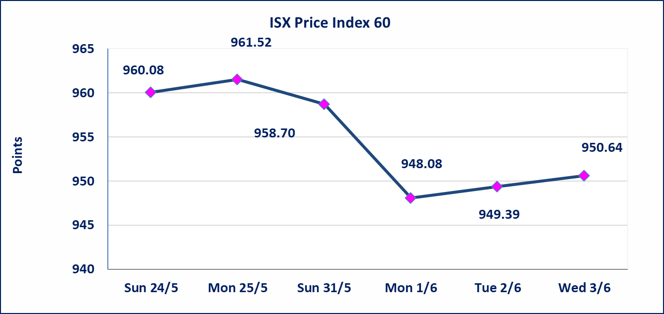
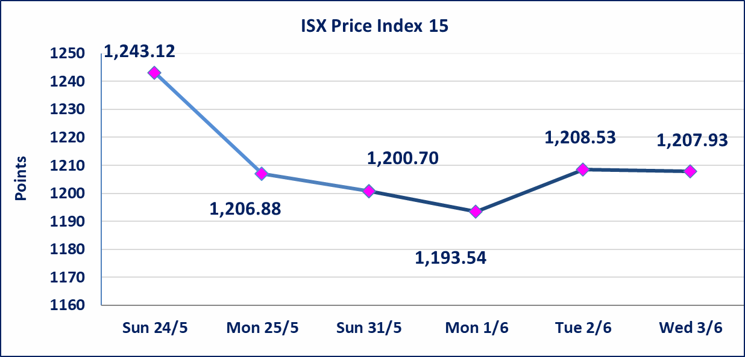

Al-Alwiya P.O . 3607 Mobile: 07711211522 - 07270094594 - 07834000034 E-mail: info-isx@isx-iq.net Web site:www.isx-iq.net

Top 5
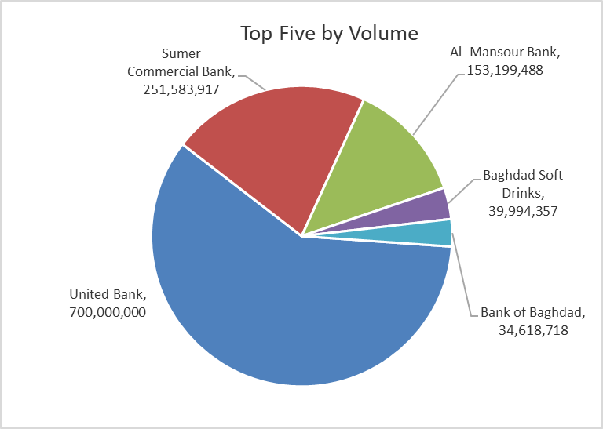
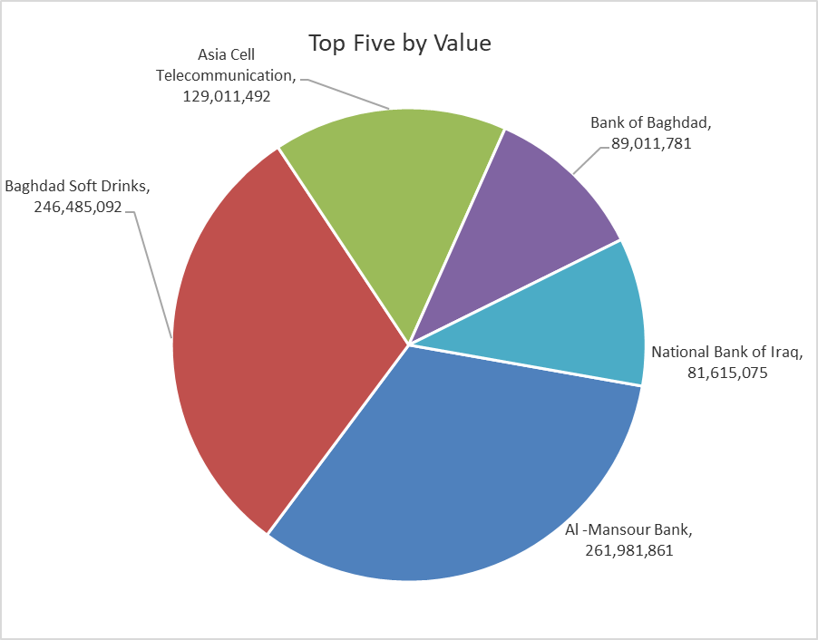

ISX top ganing and losing companies
Wednesday 3/6/2026
 | Gainers |  |  |  | Losers
 | Company Name | Closing Price | Change (%) | Traded Volume | Company Name | Closing Price | Change (%) | Traded Volume
 | Sumer Commercial Bank | 0.200 | 5.26 | 251,583,917 | Al-Mansour Pharmaceuticals Industries | 2.210 | -9.80 | 864,407
 | Credit Bank Of Iraq | 0.580 | 3.57 | 198,641 | Gulf Commercial Bank | 0.370 | -2.63 | 18,414,822
 | Al-Khatam Telecom | 4.880 | 1.88 | 590,270 | The Light Industries | 1.230 | -1.60 | 2,450,000
 | Commercial Islamic Bank of Iraq | 0.650 | 1.56 | 5,352,928 | Baghdad -Iraq Transportation | 22.330 | -0.76 | 50,132
 | Electronic Industry | 1.370 | 1.48 | 1,191,250 | National Bank of Iraq | 4.020 | -0.74 | 20,270,414
 | The most active companies in term of traded volume and value

 | Traded Volume |  |  |  | Traded Value
 | Company Name | Closing Price | Change (%) | Traded Volume | Company Name | Closing Price | Change (%) | Traded Value
 | United Bank | 0.050 | 0.00 | 700,000,000 | Al -Mansour Bank | 1.720 | 0.58 | 261,981,861
 | Sumer Commercial Bank | 0.200 | 5.26 | 251,583,917 | Baghdad Soft Drinks | 6.180 | -0.16 | 246,485,092
 | Al -Mansour Bank | 1.720 | 0.58 | 153,199,488 | Asia Cell Telecommunication | 15.970 | 0.31 | 129,011,492
 | Baghdad Soft Drinks | 6.180 | -0.16 | 39,994,357 | Bank of Baghdad | 2.600 | 0.00 | 89,011,781
 | Bank of Baghdad | 2.600 | 0.00 | 34,618,718 | National Bank of Iraq | 4.020 | -0.74 | 81,615,075

Non Iraqis

Iraq Stock Exchange
Non Iraqis' Bulletin Wednesday Jun 3 2026
Regular Market

Non Iraqi Trading of Regular Market (Buy)
Company Names | Code | No.of trades | Traded Shares | Trading Volume
Banks Sector
Bank Of Baghdad | BBOB | 1 | 87,835 | 226,614
Total Bank sector |  | 1 | 87,835 | 226,614
Grand Total |  | 1 | 87,835 | 226,614

Not Trading Bonds

Iraq Stock Exchange
Wednesday 3/6/2026
Not Trading Bonds Bulletin
Bond type | Publish type | Code | last trading price | immortilize date
Banaa Bonds /Million ID | Second | CB20 | 964,981 | 19/12/2025
Eamar Bonds /Million ID | First | CB30 | 1,001,095 | ــــــــــــــــ
Eamar Bonds /Million ID | Second | CB40 | ــــــــــــــــ | ــــــــــــــــ
Eamar Bonds /500 Thousand ID | Third | CB45 | ــــــــــــــــ | ــــــــــــــــ
Eamar Bonds /Million ID | Third | CB50 | ــــــــــــــــ | ــــــــــــــــ
Injaz Bonds /500 Thousand ID | First | CB55 | ــــــــــــــــ | ــــــــــــــــ
Injaz Bonds /Million ID | First | CB60 | 951,110 | ــــــــــــــــ
Injaz Bonds /500 Thousand ID | Second | CB65 | 511,000
Injaz Bonds /Million ID | Second | CB70 | 965,050 | ــــــــــــــــ
Injaz Bonds /500 Thousand ID | Third | CB75 | ــــــــــــــــ | ــــــــــــــــ
Injaz Bonds /Million ID | Third | CB80 | 978,182 | ــــــــــــــــ
National Bonds/Million ID | First | CB90 | ــــــــــــــــ | ــــــــــــــــ
National Bonds/500 Thousand ID | Second | CB95 | ــــــــــــــــ | ــــــــــــــــ
National Bonds/Million ID | Second | CB100 | ــــــــــــــــ | ــــــــــــــــ

